Notes
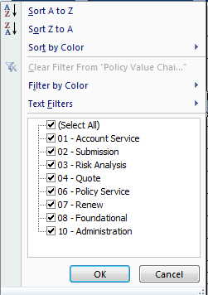
1 | The Core Process Areas have undergone change from PC Funmat 7.x
 | 7.x Fun Mat -Core Area | 8.x Fun Mat -Core Area | Functional Area / Screen Names
 | 01 - Account Service | 01 - Account Service
 | 02 - Submission | 02 - Policy File | Functional Area - Submission Wizard , Submission Tools & Submission Actions Functional Area -
 | 03 - Risk Analysis | 02 - Policy File | Screen Name - Risk Analysis
 | 04 - Quote | 02 - Policy File | Screen Name - Quote
 | 06 - Policy Service | 02 - Policy File
 | 07 - Renew | 02 - Policy File | Functional Area - Renewal Policy Transaction
 |  | 03 - Add on - Reinsurance | This has been brought in PC 8.x Funmat
 | 08 - Foundatational | 04 - PolicyCenter Tabs
 | 10 - Administration | 05 - Administration

2 | Additional Info. Column G, has been added to document fields, lists etc. if warranted.

3 | All the 8.x New items have been marked in Red Color in the Requirement Description
 | To view the 'Whats' new' items, - filter by Red Color in the Requirement Description column.

4 | All 'Jobs' in PC 7.x are renamed as 'Transactions' in PC 8.x. For instance a Renewal Job = Renewal Policy Transaction

5 | Work Orders' are renamed as ' Policy transactions' in PC 8.x

6 | 'Various' in the Screen name column means that, a particular functionality can be achieved either from multiple screens or available in the Top pane and accesible throughout.

